Parts List
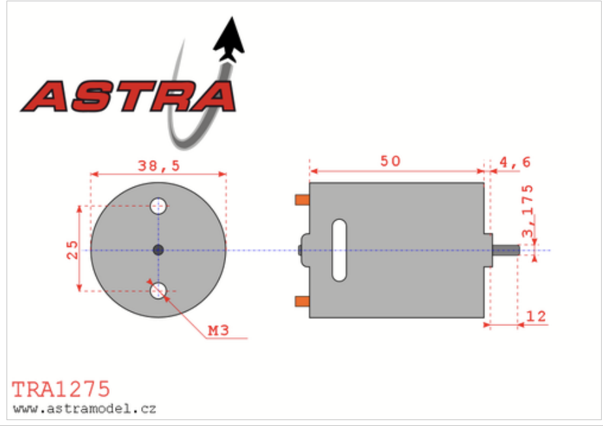
part | link
pulley 1 | https://www.mcmaster.com/1428N2/
pulley 2 | https://www.mcmaster.com/1428N3/
timing belt | https://www.mcmaster.com/1679K451/
 | https://www.mcmaster.com/products/timing-belts/material~urethane-rubber/t-series-dust-free-timing-belts/
wheels | https://www.amazon.com/Rowiz-Off-Road-Wheels-Tires-Crossing/dp/B01HCWDL68
 | https://www.amazon.com/Traxxas-1275-20-Turn-Stinger-Motor/dp/B0006N6QIQ

Timing Belt Length Calc
 | length (mm)
pulley 1 dia | 40
pulley 2 dia | 16.05 | https://sudenga.com/resources/figuring-belt-lengths-and-distance-between-pulleys/

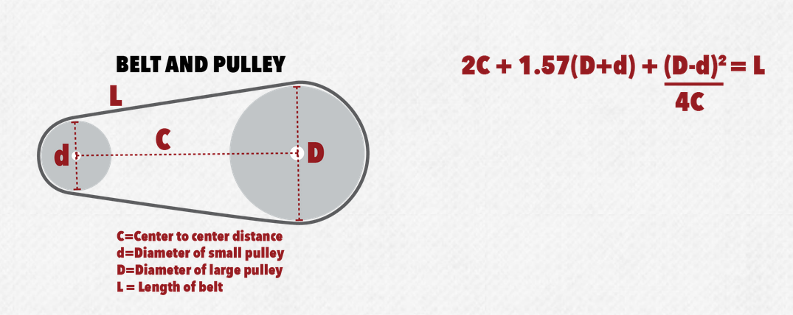
cc distance | 79

belt length | 247.81369778

choose a length bigger cuz tensioner is in shortest length right now; prolly this one?
https://www.mcmaster.com/1679K454/

add holes
bring steering rack longer
bring wheels

